Analysis Matrix
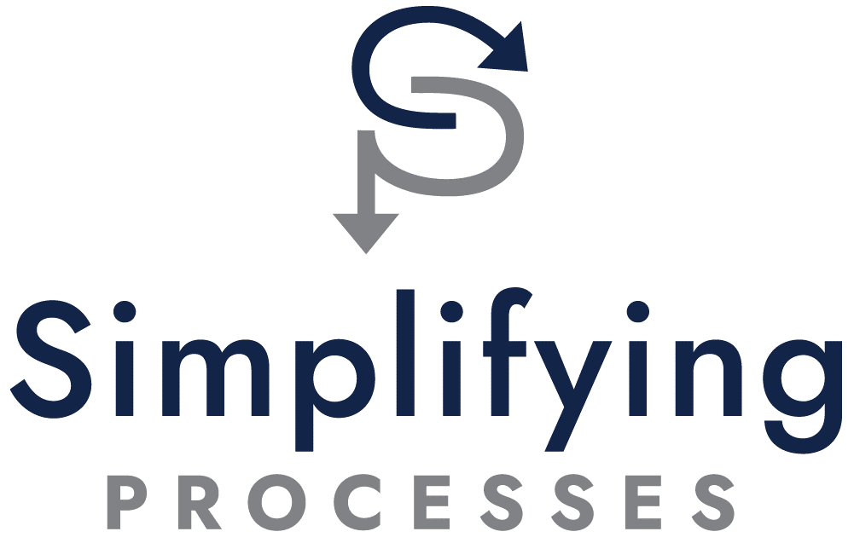
 | Weights | Employee Onboarding | Month-End Close | New Product Development | Change Management
Impact Footprint | 27% | 2 | 2 | 3 | 4
Frequency of Occurance | 25% | 2 | 1 | 1 | 1
Potential to Reduce Defects | 21% | 5 | 2 | 3 | 3
Risk Exposure (If process fails) | 15% | 2 | 5 | 4 | 3
SME Capacity | 12% | 3 | 1 | 2 | 4
Placeholder for future factor | 0%
TOTAL SCORE |  | 2.75 | 2.08 | 2.53 | 2.89

template from: SimplifyingProcesses.com

